Carbon capture
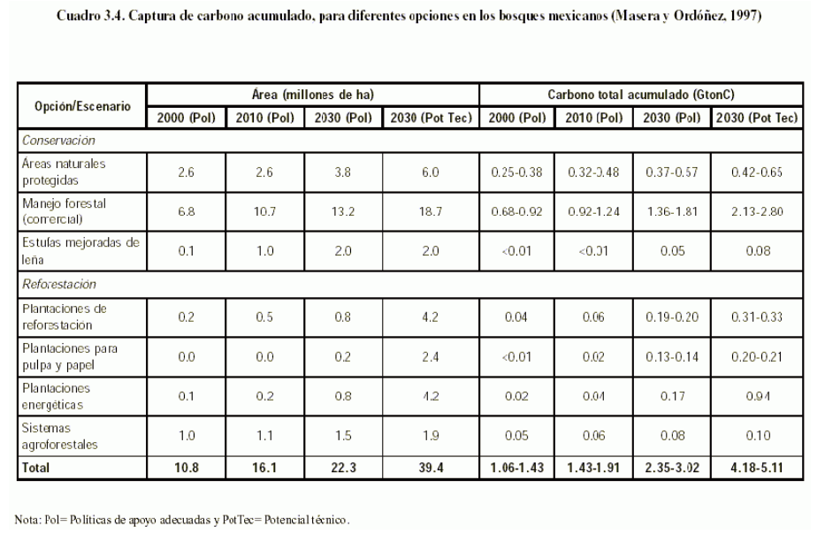

Technical potential |  | Area (million hectares) | Accumulated CO2 (Gton)
Translation | Forestry policy | 2030 | 2030
Improved forest mgmt | Manejo forestal | 18.7 | 2.13 | 2.8
Improved forest mgmt | Sistemas agroforestales | 1.9 | 0.1 |  | Conversion factors
 |  |  |  |  | 1 G = | 1.00E+09
 |  |  |  |  | 1 ton = | 1000 | kg
 |  |  |  |  | 1 kg = | 1000 | g
Technical Potential |  | Area (acres) | Accumulated CO2 (g) |  | 1 ha = | 2.47 | acres
Translation | Forestry policy | 2030 | 2030
Improved forest mgmt | Manejo forestal | 46189000 | 2.13E+15 | 2.80E+15
Improved forest mgmt | Sistemas agroforestales | 4693000 | 1.00E+14

